1. Title Page
[Instacart Grocery Basket Analysis]

Project Name: Instacart Grocery Basket Analysis
Date: September, 2024
Analyst Name: Luke Swart

Contents:
Population Flow
Consistency checks
Wrangling steps
Column derivations
Visualizations
Recommendations

Data Source:
"The Instacart Grocery Shopping Dataset 2017", Accessed from https://www.instacart.com/datasets/grocery-shopping-2017 on August 27 2024

2. Population Flow
Title page

Population flow
Population flow

Exclusion flag
Condition: max_order <
Obervations to be removed:
Final total count of order_products_all:
Exclusion flag
Condition: max_order <
Obervations to be removed:
Final total count of order_products_all:

Orders_products_combined
Orders_products_combined
Orders_products_merged
Orders_products_merged
Orders_products_all
Orders_products_all

Total: 32,404,859
Total:
Total:32,434,489
Total:
Total: 32,404,859

1.) The grey boxes in the first row of the population flow represent the original data sets as they were when you downloaded them. In the Total fields you need to add the count of the rows when you imported the data set into Jupyter.
2.) The second row of boxes (coloured) represents the data sets after you manipulated them, e.g., removed missing values and duplicates. In the Total fields you need to add the count of the rows after conducting these operations. This offers a visual oveview of how the data flows throughout the data consistency checks.
3.) The third row, where also the arrows are coloured, represents the merges you performed between the datasets. In the Total fields you need to add the count of the rows in the merged datasets, so that you end up with the final dataset (in the red box). Keep in mind the final dataset should be without exclusions (based on the exclusion flag).
1.) The grey boxes in the first row of the population flow represent the original data sets as they were when you downloaded them. In the Total fields you need to add the count of the rows when you imported the data set into Jupyter.
2.) The second row of boxes (coloured) represents the data sets after you manipulated them, e.g., removed missing values and duplicates. In the Total fields you need to add the count of the rows after conducting these operations. This offers a visual oveview of how the data flows throughout the data consistency checks.
3.) The third row, where also the arrows are coloured, represents the merges you performed between the datasets. In the Total fields you need to add the count of the rows in the merged datasets, so that you end up with the final dataset (in the red box). Keep in mind the final dataset should be without exclusions (based on the exclusion flag).

3. Consistency checks
 |  |  |  | Title page
Consistency checks

Dataset | Missing values | Missing values treatment | Duplicates
orders | None | N/A | No duplicates
products | product_name (16 missing values) | Missing values were exported into its own database (df_nan). | 5 duplicates were found and dropped in df_prods_clean_no_dups dataframe.
orders_products_prior | None | N/A | No duplicates
customers | first_name , last_name (11,259 missing values) | First names and last names should be removed due to PII risk. | No duplicates

4. Wrangling steps
 |  |  |  |  | Title page
Wrangling steps

Data set | Columns dropped | Columns renamed | Columns' type changed | Comment/Reason
orders | eval_set |  |  | not necessary for analysis
 |  | orders_dow |  | ambiguous column name, changed to order_day_of_week
 |  |  | order_id | changed to string
 |  |  | user_id | changed to string
department |  | index |  | transposed dataset and added an index and new header
customers |  | FIRST_NAME |  | Changed to first_name for consistency
 |  | surnam |  | Change to last_name for consistency
 |  | STATE |  | Changed to state for consistency

5. Column derivations
 |  |  |  |  | Title page

Column derivations and aggregations

In this tab you should add tables below that the frequences of flags/label variables that you produced after deriving them. NB: don't do this for continuous variables, only for flags.
Data set | New column | Column/s it was derived from | Conditions | Code
ords_prods_merge.pkl | price_label | prices | If price <=5, then low-range product. If else price > 5 and <= 15, then mid-range product. If else price > 15, then high-range product. | def price_label(row): if row['prices'] <= 5: return 'Low-range product' elif (row['prices'] > 5) and (row['prices'] <= 15): return 'Mid-range product' elif row['prices'] > 15: return 'High range' else: return 'Not enough data'
 | busiest_day | orders_day_of_week | If day 0 then busiest day. If day 4 then least busy day. If else, then regularly busy. | result = [] for value in df_ords_prods_merge["orders_day_of_week"]: if value == 0: result.append("Busiest day") elif value == 4: result.append("Least busy") else: result.append("Regularly busy")
 | busiest_days | orders_day_of_week | If day 0 or 1 then busiest days. If day 4 or 3 then slowest days. If else, then regularly busy days. | result_2 = [] for value in df_ords_prods_merge["orders_day_of_week"]: if value == 0 or value == 1: result_2.append("Busiest days") elif value == 4 or value == 3: result_2.append("Slowest days") else: result_2.append("Regularly busy")
 | busiest_period_of_day | order_hour_of_day | If hour of day < list_quantile[2] then fewest orders. If else hour of day >= list_quantile[2] and <=list_quantile [1] then average orders. If else hour of day >=list_quantile [1] then most orders. | result_3 = [] for value in df_ords_prods_merge["order_hour_of_day"]: if value in [10, 11, 14, 15, 13, 12, 16, 9]: result_3.append("Most orders") elif value in [23, 6, 0, 1, 5, 2, 4, 3]: result_3.append("Fewest orders") else: result_3.append("Average orders")
orders_prods_merge.pkl | max_order | user_id , order_number | Maximum number of orders | ords_prods_merge['max_order'] = ords_prods_merge.groupby(['user_id'])['order_number'].transform('max')
 | loyalty_flag | max_order | If max_order > 40 then loyal customer. If max order <=40 and > 10 then regular customer. If max order <= 10 then new customer. | ords_prods_merge.loc[ords_prods_merge['max_order'] > 40, 'loyalty_flag'] = 'Loyal customer' ords_prods_merge.loc[(ords_prods_merge['max_order'] <= 40) & (ords_prods_merge['max_order'] >10), 'loyalty_flag'] = 'Regular customer' ords_prods_merge.loc[ords_prods_merge['max_order'] <= 10, 'loyalty_flag'] = 'New customer'
ords_prods_merged.pkl | average_spend | user_id , prices | Average prices of products ordered by user | ords_prods_merge['average_spend'] = ords_prods_merge.groupby(['user_id'])['prices'].transform('mean')
 | spender_flag | average_spend | If avg price < 10 then low spender. If avg price >=10 then high spender. | ords_prods_merge.loc[ords_prods_merge['average_spend']<10,'spender_flag']='Low_spender' ords_prods_merge.loc[ords_prods_merge['average_spend']>= 10, 'spender_flag'] = 'High_spender'
 | customer_frequency | user_id , days_since_prior_order | Median number of days since prior order | ords_prods_merge['customer_frequency'] = ords_prods_merge.groupby(['user_id'])['days_since_prior_order'].transform('median')
 | frequency_flag | customer_frequency | If median_days_since_prior_order > 20, then non frequent customer. If median_days_since_prior_order <=20 and >10, then regular customer. If median_days_since_prior_order <=10 then frequent customer. | ords_prods_merge.loc[ords_prods_merge['customer_frequency'] > 20, 'frequency_flag'] = 'Non-frequent customer' ords_prods_merge.loc[(ords_prods_merge['customer_frequency'] > 10) & (ords_prods_merge['customer_frequency'] <=20), 'frequency_flag'] = 'Regular customer' ords_prods_merge.loc[ords_prods_merge['customer_frequency'] <= 10, 'frequency_flag'] = 'Frequent customer'
instacart_data.pkl | region | state | Northeast=['Maine','New Hampshire','Vermont','Massachusetts','Rhode Island','Connecticut','New York','Pennsylvania','New Jersey'] Midwest=['Wisconsin','Michigan','Illinois','Indiana','Ohio','North Dakota','South Dakota','Nebraska','Kansas','Minnesota','Iowa','Missouri'] South=['Delaware','Maryland','District of Columbia','Virginia','West Virginia','North Carolina','South Carolina','Georgia','Florida','Kentucky', 'Tennessee','Mississippi','Alabama','Oklahoma','Texas','Arkansas','Louisiana'] West=['Idaho','Montana','Wyoming','Nevada','Utah','Colorado','Arizona','New Mexico','Alaska','Washington','Oregon','California','Hawaii'] | instacart.loc[instacart['State'].isin(northeast_region), 'region'] = 'Northeast' instacart.loc[instacart['State'].isin(midwest_region), 'region'] = 'Midwest' instacart.loc[instacart['State'].isin(south_region), 'region'] = 'South' instacart.loc[instacart['State'].isin(west_region), 'region'] = 'West'
 | activity | max_order | If max_order <5, then activity low. If max_order > = 5, then activity high. | instacart.loc[df['max_order']<5, 'activity']='low' instacart.loc[df['max_order']>=5, 'activity']='high'
 | age_group | age | If age <=25 then young adult. If age>25 & <45then adult, if age >= 45 &<65 then Older adult. If age >=65 then senior. | instacart.loc[instacart['Age']<=25, 'age_group']='Young Adult' instacart.loc[(instacart['Age']>25)&(instacart['Age']<45), 'age_group']='Adult' instacart.loc[(instacart['Age']>=45)&(instacart['Age']<65), 'age_group']='Older Adult' instacart.loc[instacart['Age']>=65, 'age_group']='Senior'
 | Income_group | income | If income <=50000 then low . If income >=50000 and income <= 100000 then middle . If income >=100000 then high . | instacart.loc[instacart['Income'] <= 50000, 'Income_group'] = 'Low' instacart.loc[(instacart['Income'] > 50000) & (instacart['Income'] <= 100000), 'Income_group'] = 'Middle' instacart.loc[instacart['Income'] > 100000, 'Income_group'] = 'High'
 | dependent_group | number_of_dependents | If number of dependents > 0, then has dependents. If number of dependents =0 then no dependents. | instacart.loc[instacart['number_of_dependants'] > 0, 'dependants_flag'] = 'Has instacart.loc[instacart['number_of_dependants'] == 0, 'dependants_flag'] = 'No Dependants'
 | department | department_id | data dictionary from departments_wrangled | 1: 'frozen', 2: 'other', 3: 'bakery', 4: 'produce', 5: 'alcohol', 6: 'international', 7: 'beverages', 8: 'pets', 9: 'dry goods pasta', 10: 'bulk', 11: 'personal care', 12: 'meat seafood', 13: 'pantry', 14: 'breakfast', 15: 'canned goods', 16: 'dairy eggs', 17: 'household', 18: 'babies', 19: 'snacks', 20: 'deli', 21: 'missing'

6. Visualisations
Visualisations

What days of the week and hours of the day are busiest?

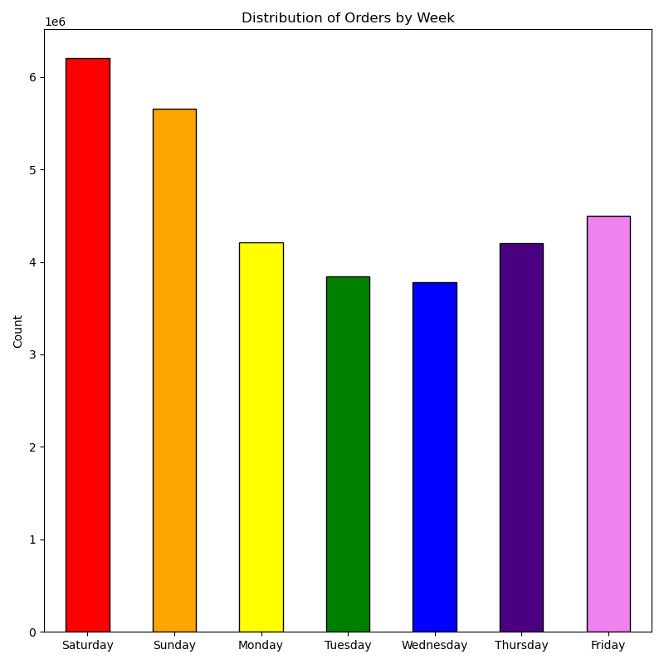
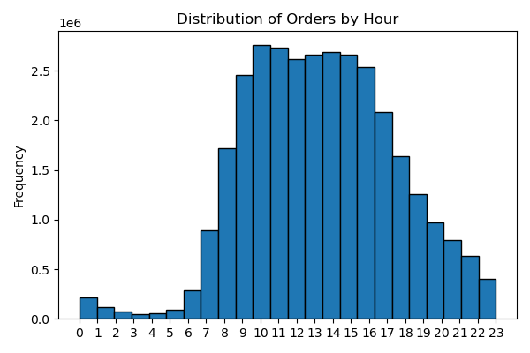
Saturdays and Sundays are the most popular days to make purchases.
Tuesdays and Wednesdays are the slowest days.
The majority of purchases are made between 10h00 and 15h00, around the lunch hour. Sales slow from the late afternoon and peter out around 23h00.

What times of the day do people spend the most money?

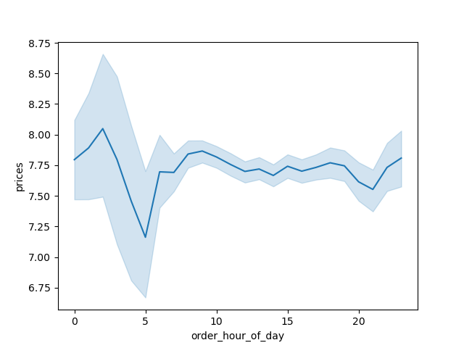
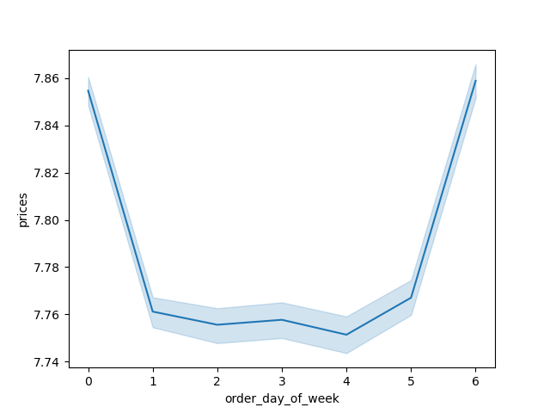

Although after midnight doesnt show a lot of sales, this is when the more expensive products are sold.
Prices over the rest of the day stay mostly stable, exept for a dip around 05h00
Saturday and Sunday, are not only the busiest days, they are also the days with the highest average prices are paid.

Are there certain types of products that are more popular than others?

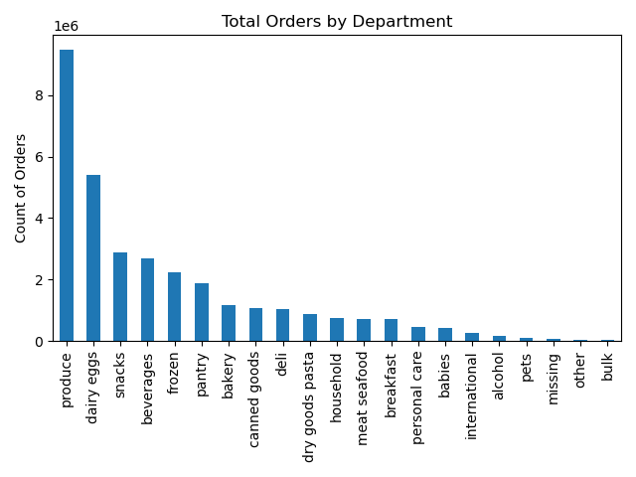
The top 5 departments are Produce, Dairy/Eggs, Snacks, Beverages and Frozen
Less popular are International, alcohol, pets and bulk.

What's the distribution amoung users in regards to their brand loyalty?
There are many more regular customers than loyal customers. This implys that many customers do not use Instacart exclusivly for their shopping.
New customers are the smallest group.
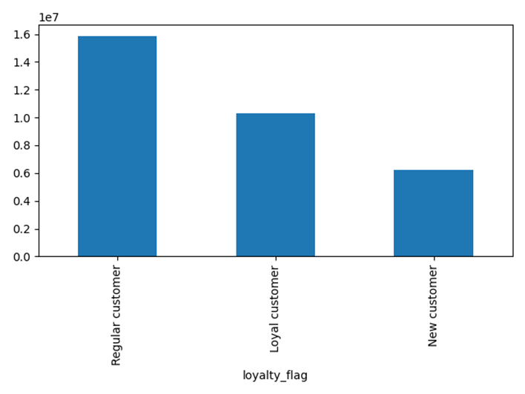

Are there differences in ordering habits based on a customer's loyalty status?
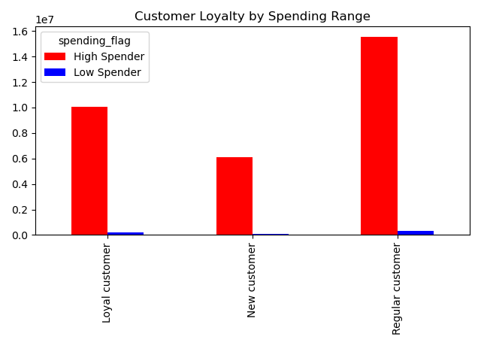
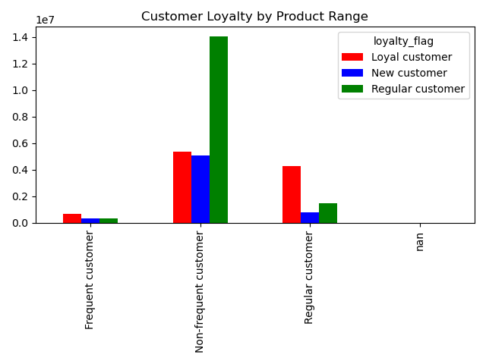
In all of your customer segments, we have mostly high spenders, however the majority are in our regular customer segment.
Regular customers are also however the majority of our non frequent customer base.

Are there differences in ordering habits based on a customer's region?

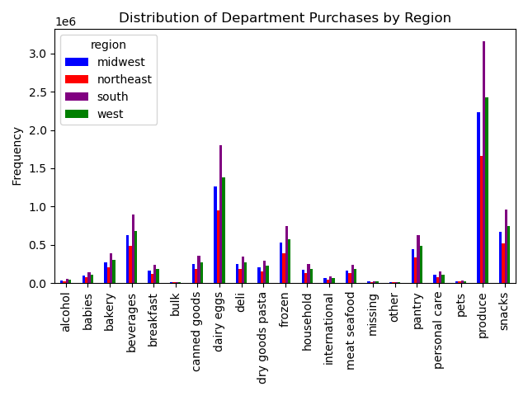
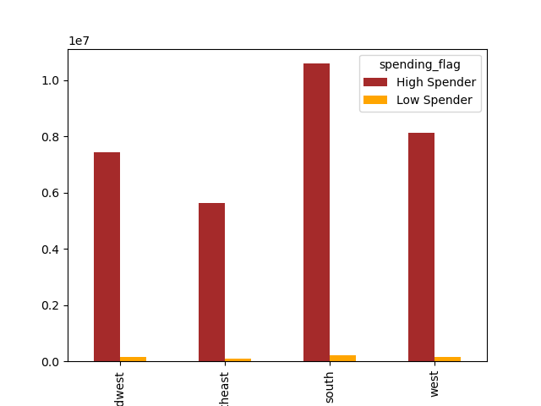

The strongest customer base is in the South of the USA, Here we have the most high spenders of all the regions, followed by the West, Midwest and the Northeast.
Across department purchases we see a similar trend, the South is the biggest spender across all departments, followed by the West.
The Midwest is not too far behind.

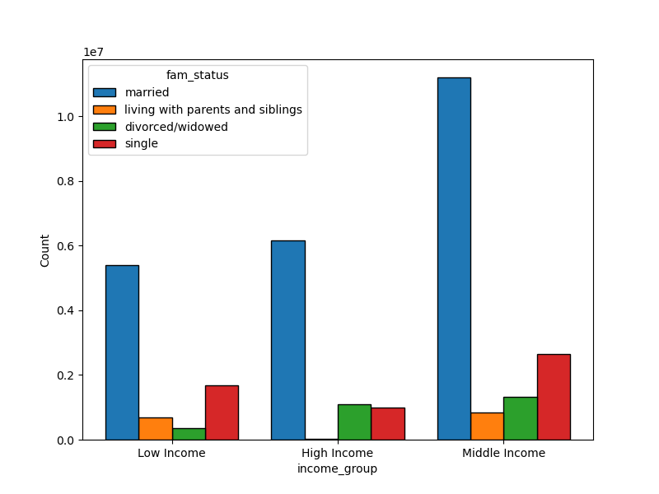

Is there a connection between age and family status in terms of ordering habits?


Increase in age shows a significant rise in income. From about 40 years old, we see a significant rise in income, which seems to stay stable. We can see this reflected in the spending power of our older customers.
Across all departments, middle aged customers spend the most., followed by adults, seniors and then significantly futher down, young adults. This agrees with out scatterplot, showing that younger people do not have as much income.
Married people are by far the biggest spenders across all departments.

What differences can you find in ordering habits of different customer profiles?
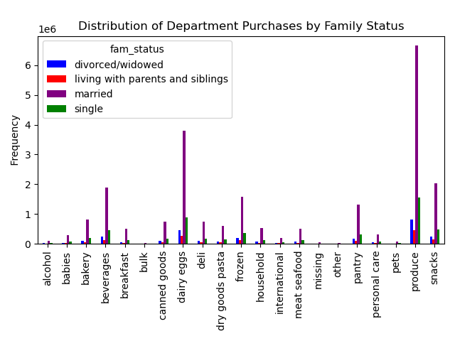
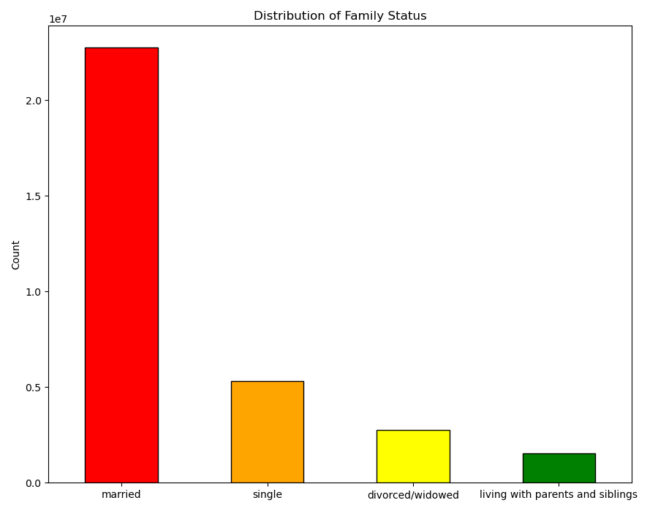
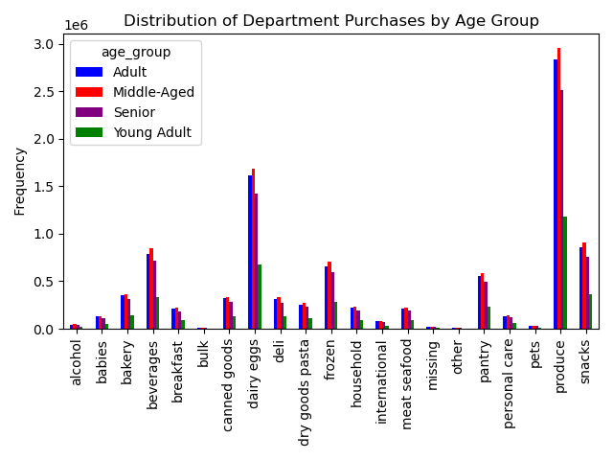

There are stark differences to observe between geographical, age and family status within the customer pool. The strongest customer group are middle aged, married and from the South. This customer group are the biggest spender and an important base for Instacart.
The weakest customer group is young adults living at home. They are however the smallest group and one could argue the future of the organisation.

7. Recommendations
 |  |  | Title page

Recommendations

 | Question | Answer
Key Question 1 | What days of the week and hours of the day are busiest? | The busiest days of the week are Saturday and Sunday between the hours of 10h00 to 15h00. The least busy day is Wednesday between the hours of 02h00 to 05h00. Instacart should schedule marketing strategies during the week in the morinngs and evenings.

Key Question 2 | What times of the day do people spend the most money? | People spend the most money during the hours of 8h00 to 16h00. Instacart could offer 2 for 1 deals, and create abonus point program for purchases in this time.

Key Question 3 | Are there certain types of products that are more popular than others? | The top 5 products are produce, dairy and eggs, snacks, beverages and frozen food. Instacart should provide special offers and a bonus point program, focused on those categories to keep drawing customers' attention and activity.

Key Question 4 | What's the distribution amoung users in regards to their brand loyalty? | There are more regular customers than loyal customers. Instacart should offer incentives to reward its regular customers and incentivise non regular customers (loyal and new) to become regular customers.

Key Question 5 | Are there differences in ordering habits based on a customer's loyalty status? | Customers who are adults with middle income are the most frequent customers of Instacart. Young adults are the least frequenct customers. Instacart should focus on advertising low and mid-range products to young customers to secure brand loyalty in the future.

Key Question 6 | Are there differences in ordering habits based on a customer's region? | In every region, Instacart customers are mostly married adults. The South has the most customers in all three age groups followed by the West, then the Midwest and lastly the Northeast. The majority of the customers buy mid-range products followed by low-range products. High-range products are bought the least in all four regions. Instacart should focus on advertising to the South, however, as the West and the Midwest regions are not too far from the ordering habits of the customers in the South, concerted marketing measures should be inplimented here too.

Key Question 7 | Is there a connection between age and family status in terms of ordering habits? | Most of Instacart frequent, non-frequent, and regular customers are married. It is followed by single people, divorced/widowed people and lastly people who live with their parents and siblings. However, there is a positive correlation between age and income. The scatterplot shows the relationship between between age and spending power (income) of instacart customers. Based on the scatterplot, there is a large concetration of customers across all ages that earns up to 200,000 (USD) and customers who are 40 years and older are earning up to 600,000 (USD). There is no correlation between age and the number of dependents. Seniors are the next group of frequent customers. Instacart should offer Senior citizens special promotions in order to increase revenue. Offering reduced prices on 2 for 1 specials that young adults purchase will increase young adults brand loyalty.

Key Question 8 | What differences can you find in ordering habits of different customer profiles? | The analysis shows that middle and high-income earners have similar spending patterns, including the average order total, order frequency, and product preferences. In contrast, low-income earners spend significantly less per order and shop slightly less frequently. Although produce is the top department for all groups, low-income earners' second-highest department being "snacks" stands out. This suggests that low-income earners might have different shopping priorities, possibly because many of these customers might not be using Instacart for their main grocery shopping, as this task could be handled by a roommate or parent.Income groups were the primary focus, as other demographics like age and family status had already been examined. The analysis shows that middle and high-income earners have similar spending patterns, including the average order total. In contrast, low-income earners spend significantly less per order and shop slightly less frequently. Although produce is the top department for all groups, low-income earners' second-highest department being "snacks" stands out. This suggests that low-income earners might have different shopping priorities, possibly because many of these customers might not be using Instacart for their main grocery shopping.

